Sheet1
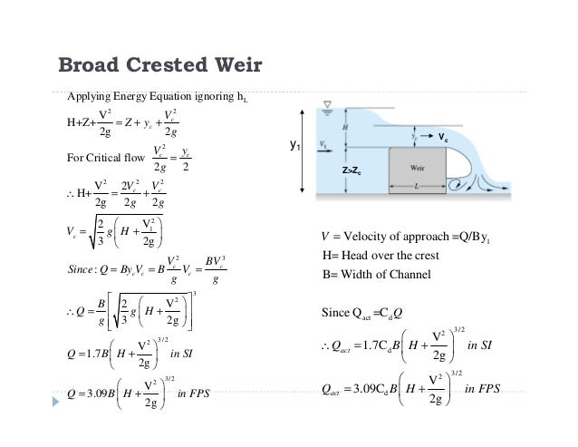

 |  |  | A
 | dx | 10 | 100
 | cw | 3 | 30
 | cha | 7 | 70
 | cd | 1.5
 |  |  |  |  | reference |  | max flow | flow from channel
dWHc | cWH | h | h_eq | vol_eq | volch | volarea |  | Cd |  | Q
-1 | 0.5 | 0.05 | -0.265 | -26.5 | -30 | 3.5 | 3.5 | 0.65 | 1.1080122342 | 0 | 0 | 1.705
-0.8 | 0.7 | 0.05 | -0.205 | -20.5 | -24 | 3.5 | 3.5 | 0.65 | 1.1080122342 | 0 | 0 | 1.705
-0.6 | 0.9 | 0.05 | -0.145 | -14.5 | -18 | 3.5 | 3.5 | 0.65 | 1.1080122342 | 0 | 0 | 1.705
-0.4 | 1.1 | 0.05 | -0.085 | -8.5 | -12 | 3.5 | 3.5 | 0.65 | 1.1080122342 | 0 | 0 | 1.705
-0.2 | 1.3 | 0.05 | -0.025 | -2.5 | -6 | 3.5 | 3.5 | 0.65 | 1.1080122342 | 0 | 0 | 1.705
0 | 1.5 | 0.05 | 0.035 | 3.5 | 0 | 3.5 | 0 | 0.65 | 1.1080122342 | 0 | 0 | 1.705
0.2 | 1.7 | 0.05 | 0.095 | 9.5 | 6 | 3.5 | -6 | 0.61056868381 | 1.0407962638 | 0.93105885326 | 5.57056E-10 | 1.6643333333
0.4 | 1.9 | 0.05 | 0.155 | 15.5 | 12 | 3.5 | -12 | 0.57754015582 | 0.9844947052 | 2.4909774028 | 1.8253611008E-05 | 1.6236666667
0.6 | 2.1 | 0.05 | 0.215 | 21.5 | 18 | 3.5 | -18 | 0.54935026557 | 0.93644125402 | 4.3528512823 | 0.0079931447378 | 1.583
0.8 | 2.3 | 0.05 | 0.275 | 27.5 | 24 | 3.5 | -24 | 0.52492235451 | 0.89480060122 | 6.4036511324 | 0.59813432551 | 1.5423333333
1 | 2.5 | 0.05 | 0.335 | 33.5 | 30 | 3.5 | -30 | 0.50348783501 | 0.85826258608 | 8.58393849 | 17 | 1.5016666667

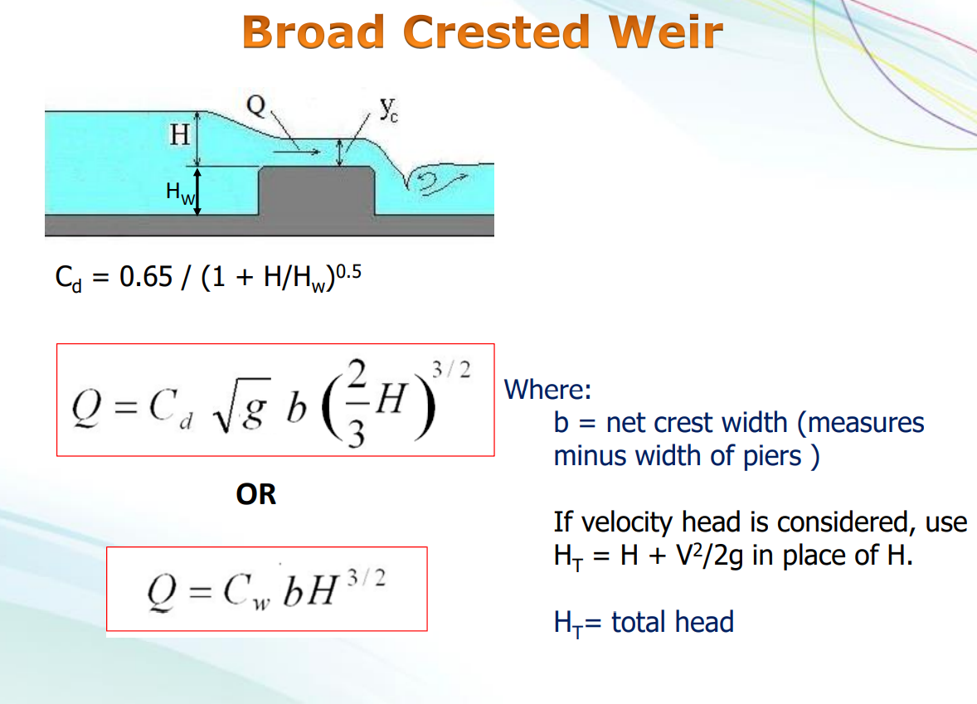
 |  |  |  |  |  | 4.4294469181
 |  |  |  |  |  | 2.4804902741

